FireHeater
File name | fireheater.hsc
Unit Operation | FH-100

Workflow
1. Open attached fireheater.hsc file.
2. Click on the Datasheet button on the ribbon.
3. Select a server to connect, then connect to a workspace.
4. Go to Mapper tab, click on the hyperlink of FH-100 to open Object Mapping screen.
5. Select 'FiredHeater' for the MapAs Column, and 'Create' for Workspace Object column.
6. Make sure the ports of valve are mapped automated.
7. Click on Close icon at the top right to close the Object Mapping screen.
8. Click Save Change and Transfer button. Make sure FH-100 is created and data transfer complete dialog pops up. Click OK to close it.

Expected Results

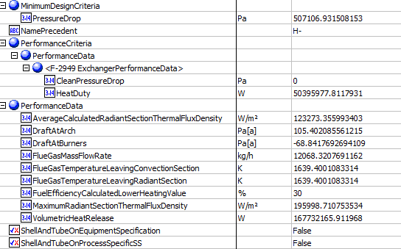
FireHeater (CQ00748793)
 |  |  |  |  |  |  | Permance Data
Index Number | Attributes | AbeAds Class View | ABE Class/Firedheater | Hysys Data | Unit

1 | Heater Duty | Duty | PerformanceCriteria.PerformanceData(1).HeatDuty | 181425520.12 | kJ/h
5 | Process fluid pressure drop, calculated | PressureDropCalculated | PerformanceCriteria.PerformanceData(1).CleanPressureDrop | 0 | kPa
6 | Average Rad. Sec.flux.density (calculated) | AvgRadiantSectionFluxDensityCalculated | PerformanceData.AverageCalculatedRadiantSectionThermalFluxDensity | 123.3 | kW/m2
7 | Max.Rad.Sec.flux.density | MaxRadiantSectionFluxDensity | PerformanceData.MaximumRadiantSectionThermalFluxDensity | 196 | kW/m2
8 | Conv.sec.flux.density | ConvectionSectionFluxDensity | PerformanceData.ConvectionSectionThermalFluxDensity | Blank | kW/m2
34 | Calculated heat release | VolumetricHeatReleaseCalculated | PerformanceData.VolumetricHeatRelease | 167732.2 | kW
35 | Fuel efficiency calculated | FuelEfficiencyCalc | PerformanceData.FuelEfficiencyCalculatedLowerHeatingValue | 30.03044 | %
36 | Fuel gas temperature leaving Radiant section | FuelGasTempRadiantSection | PerformanceData.FlueGasTemperatureLeavingRadiantSection | 1639 | K
37 | Fuel Gas temperature leaving convection section | FuelGasTemperatureConvectionSection | PerformanceData.FlueGasTemperatureLeavingConvectionSection | 1639 | K
38 | Fuel gas temperature leaving air preheater | FuelGasTemperatureAirPreheater | PerformanceData.FlueGasTemperatureLeavingAirPreheater | Blank | K
39 | Fuel gas flowrate | FuelGasFlowRate | PerformanceData.FlueGasMassFlowRate | 12068 | kg/h
40 | Fuel gas mass velocity thru Convection section | FuelGasMassVelocity | PerformanceData.FlueGasMassVelocityThroughConvectionSection | Blank | kg/s/m2
41 | Draft at arch | DraftAtArch | PerformanceData.DraftAtArch | 105.4 | Pa
42 | Draft at burners | DraftAtBurners | PerformanceData.DraftAtBurners | -68.8 | Pa

4 | Process fluid pressure drop, allowable | PressureDropAllowable | MinimumDesignCriteria.PressureDrop | 507.107 | kPa
10 | Maximum Calc Inside Film Temp | MaxCalcInsideFilmTemp |  | 703 | K
11 | Fouling factor | FoulingFactor | HotSide.FoulingResistance | 0 | m2-K/W
43 | Ambient air temperature (efficiency calculation) | AmbientAirTemperatureEfficiencyCalculation | Location.MinimumAmbientTemperature | 293.15 | K
44 | Ambient air temperature (stack of design） | AmbientAirTemperatureStackDesign | Stack.Location.RatedAmbientTemperature | 293.15 | K
58 | Tube layout | TubeLayout | DesignCriteria.TubeLayout | Blank
59 | Tube spacing (center to center horizontal) | TubeSpacing |  | 914.4 | mm
66 | Extension ratio (total area/bare area) | ExtensionRatio | FiredHeaterSection(*).Bundle.TubeType[TubeType='Low fin'].Externals.RatioTubeOutsideToTubeInsideArea | Blank

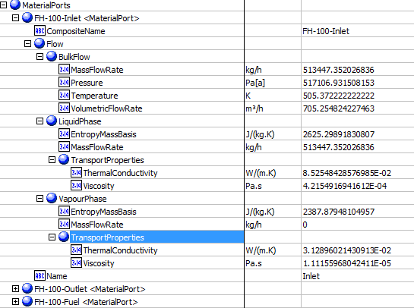
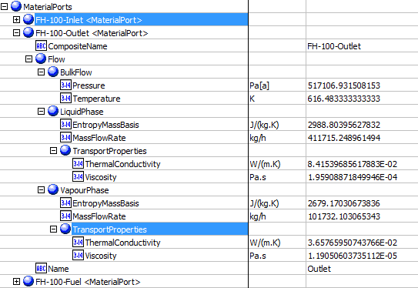
 |  |  |  |  |  |  | Material Ports-Inlet | Material Ports-Outlet
2 | Fluid Mass Flowrate | MassFlowRate, Ports.Product.BulkMassFlow | MaterialPorts[Name="Inlet"].Flow.BulkFlow.MassFlowRate | 513447.35613 | kg/h
3 | Fluid Volumetric Flowrate | VolumeFlowRate, Ports.Feed.BulkVolumetricFlow | MaterialPorts[Name="Inlet"].Flow.BulkFlow.VolumetricFlowRate | 705.25482987 | m3/h
12 | Inlet Temperture | TemperatureIn, Ports.Feed.BulkTemperature | MaterialPorts[Name="Inlet"].Flow.BulkFlow.Temperature | 505 | K
13 | Inlet Pressure | PressureIn, Ports.Product.BulkPressure | MaterialPorts[Name="Inlet"].Flow.BulkFlow.Pressure | 517.107 | kPa
14 | Inlet Liquid Flow | LiquidMassFlowIn | MaterialPorts[Name="Inlet"].Flow.LiquidPhase.MassFlowRate | 513446 | kg/h | 142.62388889
15 | Inlet Vapor Flow | VaporMassFlowIn, Ports.Product.VaporMassFlow | MaterialPorts[Name="Inlet"].Flow.VapourPhase.MassFlowRate | 1, 101811.8567 | kg/h
16 | Inlet Liquid Viscosity | LiquidViscosityIn | MaterialPorts[Name="Inlet"].Flow.LiquidPhase.TransportProperties.Viscosity | 0.4216 | cP
17 | Inlet Vapor Viscosity | VaporViscosityIn | MaterialPorts[Name="Inlet"].Flow.VapourPhase.TransportProperties.Viscosity | Blank | cP
18 | Inlet liquid specifc heat | LiquidSpecificHeatIn, Ports.Feed.Liquid1MassEntropy | MaterialPorts[Name="Inlet"].Flow.LiquidPhase.EntropyMassBasis | 2.625, 2.63789314990297 | kJ/(kg-K)
19 | Inlet Vapor specific heat | VaporSpecificHeatIn, Ports.Feed.VaporMassEntropy | MaterialPorts[Name="Inlet"].Flow.VapourPhase.EntropyMassBasis | Blank, 3.24650539584475 | kJ/(kg-K)
20 | Inlet Liquid thermal conductivity | LiquidThermalConductivityIn, Ports.Product.LiquidThermalConductivity | MaterialPorts[Name="Inlet"].Flow.LiquidPhase.TransportProperties.ThermalConductivity | 0.0853, 0.0841504930015143 | W/(m-K)
21 | Inlet Vapor thermal conductivity | VaporThermalConductivityIn, Ports.Feed.VaporThermalConductivity | MaterialPorts[Name="Inlet"].Flow.VapourPhase.TransportProperties.ThermalConductivity | Blank, 0.0365795542028803 | W/(m-K)
22 | Outlet temperture | TemperatureOut, Ports.Product.BulkTemperature | MaterialPorts[Name="Outlet"].Flow.BulkFlow.Temperature | 616, 616.483333333333 | K
23 | Outlet pressure | PressureOut, Ports.Product.BulkPressure | MaterialPorts[Name="Outlet"].Flow.BulkFlow.Pressure | 517.107 | kPa
24 | Outlet liquid flow | LiquidMassFlowOut, Ports.Product.Liquid1MassFlow | MaterialPorts[Name="Outlet"].Flow.LiquidPhase.MassFlowRate | 411716 | kg/h
25 | Outlet vapor flow | VaporMassFlowOut, Ports.Product.VaporMassFlow | MaterialPorts[Name="Outlet"].Flow.VapourPhase.MassFlowRate | 101731 | kg/h
26 | Outlet liquid visvosity | LiquidViscosityOut, Ports.Product.LiquidViscosity | MaterialPorts[Name="Outlet"].Flow.LiquidPhase.TransportProperties.Viscosity | 0.1959, 0.195853005 | cP
27 | Outlet vapor viscosity | VaporViscosityOut, Ports.Feed.VaporViscosity | MaterialPorts[Name="Outlet"].Flow.VapourPhase.TransportProperties.Viscosity | 0.0119, 1.11E-02 | cP
28 | Outlet liquid specific heat | LiquidSpecificHeatOut, Ports.Product.Liquid1MassEntropy | MaterialPorts[Name="Outlet"].Flow.LiquidPhase.EntropyMassBasis | 2.989 | kJ/(kg-K)
29 | Outlet vapor specific heat | VaporSpecificHeatOut, Ports.Product.VaporMassEntropy | MaterialPorts[Name="Outlet"].Flow.VapourPhase.EntropyMassBasis | 2.679 | kJ/(kg-K)
30 | Outlet liquid thermal conductivity | LiquidThermalConductivityOut, it's above | MaterialPorts[Name="Outlet"].Flow.LiquidPhase.TransportProperties.ThermalConductivity | 0.0842 | W/(m-K)
32 | Type of fuel | FuelType | MaterialPorts[Name="Fuel"].Flow.Name | Fuel Mix
31 | Outlet vapor thermal conductivity | VaporThermalConductivityOutm it's above | MaterialPorts[Name="Outlet"].Flow.VapourPhase.TransportProperties.ThermalConductivity | 0.0366 | W/(m-K)

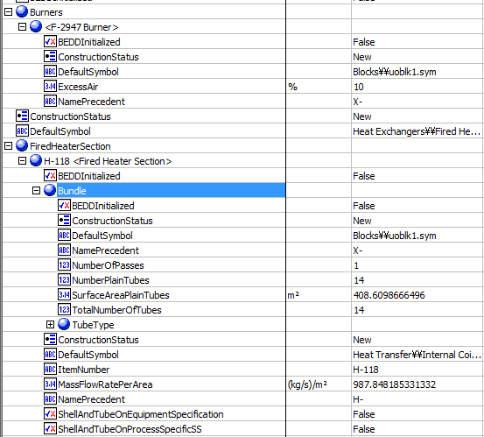
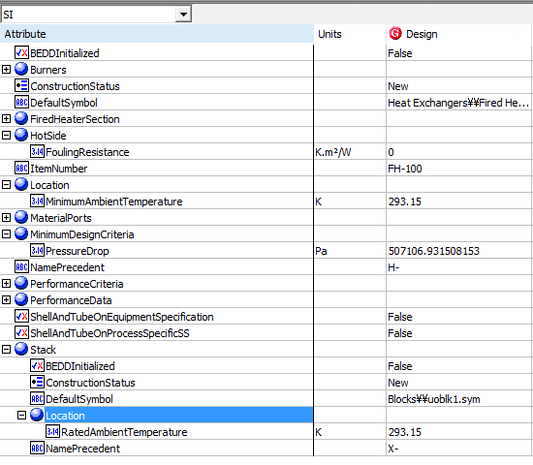
 |  |  |  |  |  |  | Burner and FiredHeaterSection | Others
33 | Excess air | ExcessAir | Burners(*).ExcessAir | 10 | %
9 | Process Fluid Mass Velocity | ProcessFluidMassVelocity | FiredHeaterSection(1).MassFlowRatePerArea | 987.85 | kg/s/m2
45 | Tube Orientation | TubeOrientation | FiredHeaterSection(*).Bundle.UbendOrientation | Vertical
46 | Tube Material | TubeMaterialOfConstruction |  | carbon stell, 2
47 | Tube Outside Diameter | TubeOutsideDiameter | FiredHeaterSection(*).Bundle.TubeType[TubeType='Plain'].OuterDiameter | 457.2 | mm
48 | Tube Wall thickness | TubeWallThickeness | FiredHeaterSection(*).Bundle.TubeType[TubeType='Plain'].WallThickness | Blank | mm
49 | Number of flow passes | NumberOfFlowPasses | FiredHeaterSection(*).Bundle.NumberOfPasses | 1
50 | Number of tubes | NumberOfTubes | FiredHeaterSection(*).Bundle.TotalNumberOfTubes | 14
51 | Number of tube rows | NumberOfTubeRows | FiredHeaterSection(*).Bundle.NumberOfRows | Blank
52 | Number of tubes per row | NumberOfTuberPerRow | FiredHeaterSection(*).NumberofTubesPerRow | Blank
53 | Effective tube length | EffectiveTubeLength | FiredHeaterSection(*).Bundle.TubeType[TubeType='Plain'].HeatedLength | 20320 | mm
54 | Bare tubes: number | BareTubesNumber | FiredHeaterSection(*).Bundle.NumberPlainTubes | 14
55 | Bare tubes: total exposed surface | BareTubesTotalExposedSurface | FiredHeaterSection(*).Bundle.SurfaceAreaPlainTubes | 408.6 | m2
56 | Extended surface tubes: number | ExtendedSurfaceTubesNumber | FiredHeaterSection(*).Bundle.NumberExtendedSurfaceTubes | Blank
57 | Extended surface tubes: total exposed surface | ExtendedSurfaceTubesTotalExposedSurface | FiredHeaterSection(*).Bundle.SurfaceAreaExtendedSurfaceTubes | Blank | m2
60 | Extended surface type | ExtendedSurfaceType | FiredHeaterSection(*).Bundle.TubeType[TubeType='Low fin'].Externals.FinType | Blank
61 | Exteneded surface material | ExtendedSurfaceMaterialOfConstruction | FiredHeaterSection(*).Bundle.TubeType[TubeType='Low fin'].Externals.MaterialOfConstruction.MaterialName | Blank
62 | Extended surface dimension Height | ExtendedSurfaceHeight | FiredHeaterSection(*).Bundle.TubeType[TubeType='Low fin'].Externals.Height | Blank | mm
63 | Extended surface dimension Thickness | ExtendedSurfaceThickness | FiredHeaterSection(*).Bundle.TubeType[TubeType='Low fin'].Externals.AverageThickness | Blank | mm
64 | Extended surface dimension Spacing | ExtendedSurfaceSpacing | FiredHeaterSection(*).Bundle.TubeType[TubeType='Low fin'].Externals.NumberOfFinsPerUnitLength | Blank | #/m
65 | Max tip temperature | MaxTipTemperature | FiredHeaterSection(*).Bundle.TubeType[TubeType='Low fin'].Externals.FinSelectionTemperature | Blank | K

